Sheet1
KENWOOD Price Guide | December 2018
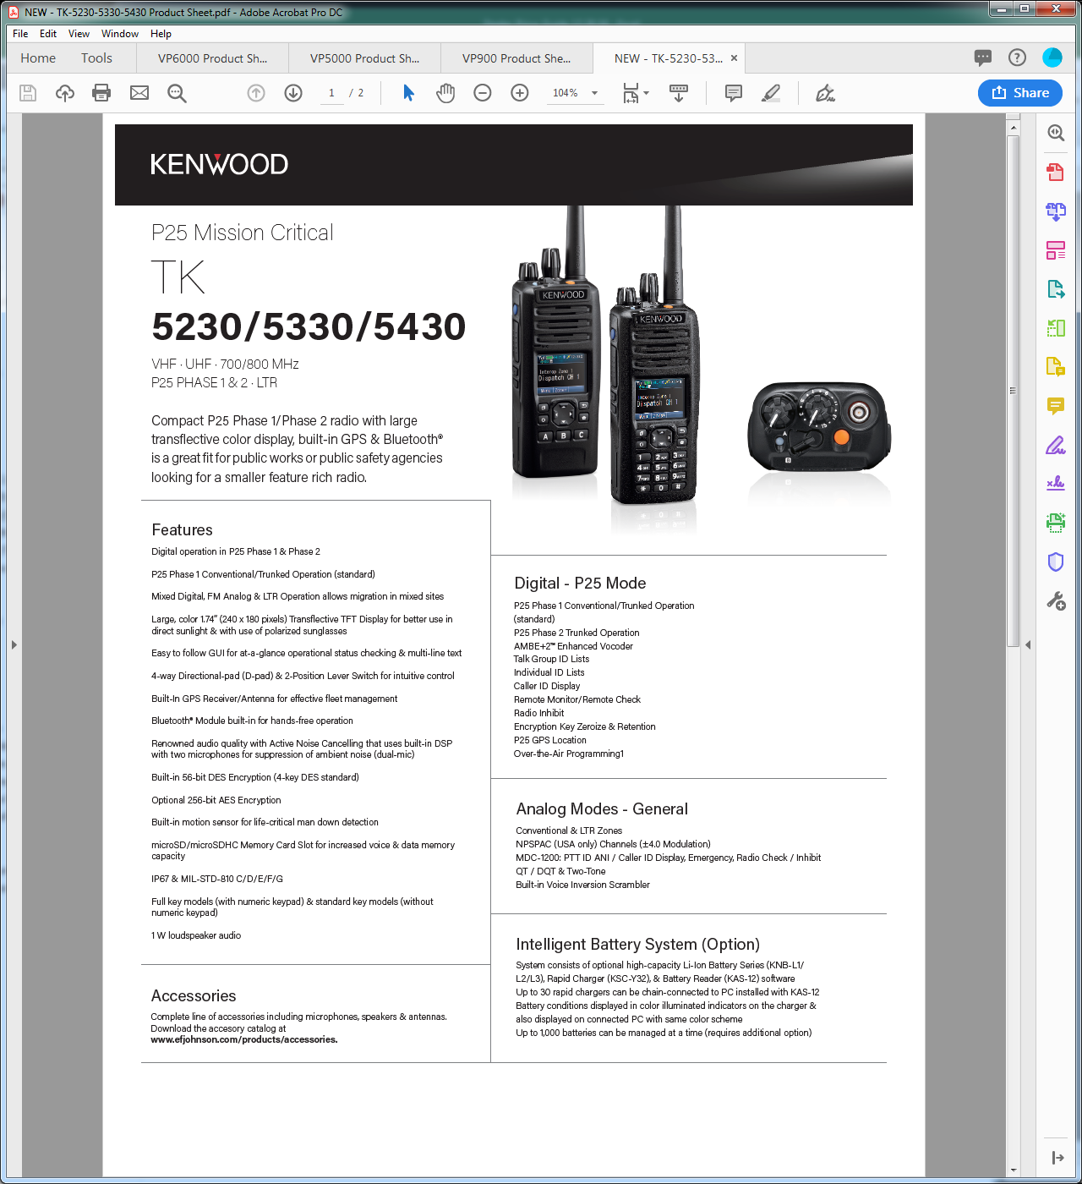

Radio - Base Model |  | List | MS Two-Way Radio EPL 3744 | Discount
Standard Key Models
TK-5230F2 | VHF(136-174MHz),6.0 Watts,Analog,P25 Conventional/P25 Phase I Trunking, Standard Key Model | $1,450.00 | $1,160.00 | 20%
TK-5330F2 | UHF (450-520MHz),5.0 Watts,Analog,P25 Conventional/P25 Phase I Trunking, Standard Key Model | $1,450.00 | $1,160.00 | 20%
TK-5330F5 | UHF (380-470MHz),5.0 Watts,Analog,P25 Conventional/P25 Phase I Trunking, Standard Key Model | $1,450.00 | $1,160.00 | 20%
Full Key Models
TK-5230F3 | VHF (136-174MHz),6.0 Watts ,Analog,P25 Conventional/P25 Phase I Trunking,Full Key Model | $1,500.00 | $1,200.00 | 20%
TK-5330F3 | UHF (450-520MHz),5.0 Watts,Analog,P25 Conventional/P25 Phase I Trunking,Full Key Model | $1,500.00 | $1,200.00 | 20%
TK-5330F6 | UHF (380-470MHz), 5.0 Watts,Analog,P25 Conventional/P25 Phase I Trunking,Full Key Model | $1,500.00 | $1,200.00 | 20%
Licensing System |  | List | MS Two-Way Radio EPL 3744 | Discount
KPT-300LMC is a required software package that is used to authenticate software (FPU) and radio feature license keys for the TK-5x30 Series radios.
KPT-300LMC | License Management Client | $- |  | $-
L-5000 | KPT-300LMC License Key | $- |  | $-
Software Licensing Options |  | List | MS Two-Way Radio EPL 3744 | Discount
Note: A unique license key is required for each PC with software installed. A single license key will not authorize multiple PCs.
KPG-D1NK | License Key for KPG-D1NK Programming Software for TK-5x30 Portable/Mobile (Windows® Vista/7/8/8.1) Note: Requires KPT-300LMC for authentication | $155.00 | $124.00 | 20%
P25 Trunked Programming Capability (licensed by either 1 or 2 below):
 | 1. USB Key Type: Advanced System Key (ASK)- See KWD-ASK-MK and AK • For TK-5x30 series radios. • KWD-ASK-MK (Master Key): For trunked system operator (SYSOP). Required for activating KWD-ASK-AK Access keys. Securely embeds/encrypts the HSID. • KWD-ASK-AK (Access Key): For Dealers/DEALERors. Activated by KWD-ASK-MK Master Key. • KPG-D1NK supports up to 16 KWD-ASK-AK Access Keys (16 trunked networks).
 | 2. Software Key Type: System Key File (SKF)- See L-5005 • For TK-5x30 series radios. • 3-digit HEX System ID (HSID) with verifiable written authorization required from SYSOP. • Utilized by both SYSOPs and Dealers/DEALERors. But Dealers/DEALERors must be permitted from SYSOP to order and use SKF. • EFJohnson ships an encrypted *.SKF file via E-Mail to the address provided on the P25 Trunking System Keys Request Form placed on Kenwood Tools. • The *.SKF securely embeds/encrypts the HSID.
KPG-180AP | OTAP Manager Software • License includes 50 radios • To add more radios / serial ports, you must contact EF Johnson Technologies (1-800-328-3911 Option 1) Note: Requires KPT-300LMC for authentication | $884.00 | $707.20 | 20%
KAS-12K | License Key for KAS-12 Battery Reader Software for KNB-L1/2/3/ & KSC-Y32 (Windows® Vista/7/8/8.1) Note: Requires KPT-300LMC for authentication | $85.00 | $68.00 | 20%
License Keys | Software License Key Discount Structure: 1 License Key - 2-4 License Keys 10% Off 5-14 License Keys 35% Off 15-24 License Keys 40% Off 25+ License Keys 45% Off
Radio Feature License Options |  | List | MS Two-Way Radio EPL 3744 | Discount
PCs registered under the same KPT-300LMC Account Registration Key (License Key) will be able to authentic Radio Features that can then be viewed / shared / managed by all registered users for the account. Note: Radio Feature License Keys can be transferable from a radio to radio within 72 hours count started from being authenticated to a Radio. Once license transfered radio is authenticated by KPT-300LMC, 72 hours is reset and count started from first.
General Radio Features
KWD-5000CH | License Key for 4000 Channel Expansion | $420.00 | $336.00 | 20%
KWD-5001FP | License Key for Front Panel Programming | $300.00 | $240.00 | 20%
KWD-5002SD | License Key for microSD Memory Card Slot Activation | $105.00 | $84.00 | 20%
P25 Radio Features
KWD-5100CV | License Key for P25 Conventional | $- |  | $-
KWD-5101TR | License Key for P25 Phase 1 Trunking (requires KWD-5100CV) | $- |  | $-
KWD-5102TR | License Key for P25 Phase 2 Trunking (requires KWD-5100CV & KWD-5101TR) | $400.00 | $320.00 | 20%
KWD-5103RK | License Key for P25 OTAR (requires KWD-5106DT for a Trunking Operation) | $700.00 | $560.00 | 20%
KWD-5105VT | License Key for P25 Conventional Voting Scan | $120.00 | $96.00 | 20%
KWD-5106DT | License Key for P25 Packet Data (required for Trunked OTAR/GPS/Text) | $180.00 | $144.00 | 20%
Antennas |  | List | MS Two-Way Radio EPL 3744 | Discount
KRA-26M | VHF helical antenna 146-162 MHz | $14.00 | $11.20 | 20%
KRA-26M2 | VHF helical antenna 162-174 MHz | $14.00 | $11.20 | 20%
KRA-26M3 | VHF helical antenna 136-150 MHz | $14.00 | $11.20 | 20%
KRA-27M | UHF whip antenna 440-490 MHz | $14.00 | $11.20 | 20%
KRA-27M2 | UHF whip antenna 470-520 MHz | $14.00 | $11.20 | 20%
KRA-27M3 | UHF whip antenna 400-450 MHz | $14.00 | $11.20 | 20%
KRA-22M | VHF low-profile helical antenna 148-162 MHz | $13.70 | $10.96 | 20%
KRA-22M2 | VHF low-profile helical antenna 162-174 MHz | $13.70 | $10.96 | 20%
KRA-22M3 | VHF Low-profile helical antenna 136-150 MHz | $13.70 | $10.96 | 20%
KRA-23M | UHF low-profile helical antenna 450-490 MHz | $13.70 | $10.96 | 20%
KRA-23M2 | UHF low-profile helical antenna 470-512 MHz | $13.70 | $10.96 | 20%
KRA-23M3 | UHF low-profile helical antenna 403-430 MHz | $13.70 | $10.96 | 20%
KRA-25 | High gain VHF helically loaded whip antenna 148-162 MHz | $34.25 | $27.40 | 20%
Batteries & Chargers |  | List | MS Two-Way Radio EPL 3744 | Discount
KNB-L1M | Li-ion 2000mAh (Compact Slim) | $118.00 | $94.40 | 20%
KNB-L2M | Li-ion 2600mAh (Standard) | $138.00 | $110.40 | 20%
KNB-L3M | Li-ion 3400mAh (High Capacity) | $180.00 | $144.00 | 20%
KSC-Y32K | Rapid rate single unit charger (Long-Life Charge Mode capable with KAS-12 Software) Note: NiMH/Li-ion battery only | $115.00 | $92.00 | 20%
KAS-12K | License Key for KAS-12 (Authentication required) Battery Reader Software for KNB-L1M/L2M/L3M & KSC-Y32 (Windows® Vista/7/8/8.1) | $85.00 | $68.00 | 20%
KSC-32 | Rapid rate single unit charger | $70.00 | $56.00 | 20%
KSC-326K | Rapid rate 6-unit charger | $630.00 | $504.00 | 20%
KMB-30M | Wall Mount Bracket for KSC-326K/256K | $33.75 | $27.00 | 20%
KVC-15 | Rapid rate DC vehicular charger adapter for the KSC-32 (chargers not included; includes KSC-mobile bracket & cigarette lighter cable DC adapter) | $119.00 | $95.20 | 20%
Carrying Accessories |  | List | MS Two-Way Radio EPL 3744 | Discount
KBH-11 | Spring action belt clip (2.5") | $14.70 | $11.76 | 20%
KBH-8DS | Leather swivel belt loop with portable D-Ring attachment | $26.30 | $21.04 | 20%
KLH-6SW | Leather swivel belt loop / detachable swivel D-Ring back | $22.00 | $17.60 | 20%
KLH-137ST | Firemen's Heavy-Duty Leather Shoulder Strap for a Heavy-Duty Leather Case | $36.75 | $29.40 | 20%
KLH-200K3 | Heavy duty leather carrying case for TK-5x30-series (for both K2 & K3 models) | $44.25 | $35.40 | 20%
Special Color Housing |  | List | MS Two-Way Radio EPL 3744 | Discount
KWD-YH-5000 | Yellow Housing Kit for TK-5x30 series Portables (Standard Key Model Only) Order L-5024 for Factory Install. (Eligible for warranty of IP67/68 immersion) Note: If you order only housing and perform Dealer Installation, IP67/68 Warranty Claim will not be eligible. | $40.00 | $32.00 | 20%
KWD-OH-5000 | Orange Housing Kit for TK-5x30 series Portables (Standard Key Model Only) Order L-5025 for Factory Install. (Eligible for warranty of IP67/68 immersion) Note: If you order only housing and perform Dealer Installation, IP67/68 Warranty Claim will not be eligible. | $40.00 | $32.00 | 20%
Microphones & Audio Accessories |  | List | MS Two-Way Radio EPL 3744 | Discount
KMC-54WDM | MIL-SPEC, IP67 (Immersion) Speaker Mic Compatible with ANR Feature Note: only compatible with a TK-5x30 series portable | $130.00 | $104.00 | 20%
KMC-42WDM | MIL-SPEC, IP67 (Immersion) Noise-canceling Speaker Mic | $114.00 | $91.20 | 20%
KMC-49 | MIL-SPEC, Speaker Mic. with Antenna Connector Note: 5/16" Coax cable hex wrench included (antenna is not included). | $250.00 | $200.00 | 20%
KEP-1 | 3.5mm earphone kit for KMC-41/42W/54W Speaker Mics | $52.50 | $42.00 | 20%
KEP-2 | 2.5mm earphone kit for KMC-49 Speaker Mic | $52.50 | $42.00 | 20%
KEP-3 | 30" Earphone kit w/ 2.5mm plug for KCT-30 | $51.50 | $41.20 | 20%
KEP-4 | 48" Earphone kit w/ 2.5mm plug for KCT-30 | $54.75 | $43.80 | 20%
KCT-30 | 2.5mm Audio Accessory Adapter for KEP-3/4 | $64.00 | $51.20 | 20%
KCT-51 | Hirose 6-pin Adapter (adapts KVL/aftermarket audio acc. to portable connector) | $215.00 | $172.00 | 20%
KHS-11BL | 2-wire palm mic w/earphone, universal connector (Black) | $156.50 | $125.20 | 20%
KHS-12BL | 3-wire mini lapel mic w/earphone, universal connector (Black) | $184.00 | $147.20 | 20%
KHS-14 | Lt. Wt. Single muff headset w/boom mic & In-line PTT | $126.00 | $100.80 | 20%
KHS-15-BH | Hvy-duty noise reduction behind-the-headset w/noise cancelling boom mic & PTT | $420.00 | $336.00 | 20%
KHS-15-OH | Hvy-duty noise reduction over-the-headset w/noise cancelling boom mic & PTT | $368.00 | $294.40 | 20%
Encryption Modules |  | List | MS Two-Way Radio EPL 3744 | Discount
KWD-AE30K | AES FIPS140-2 & DES Encryption Module (Multi-Key) Order a Labor Code L-5003 if installation is required. KWD-AE30K requires: a Motorola KVL3000 Plus/4000 key loader device. KWD-AE30K is an U.S. DOC/BIS Export Controlled Item (ECCN 5A002A.1) | $850.00 | $680.00 | 20%
KWD-AE31K | AES & DES Encryption Module (Multi-Key) Order a Labor Code L-5004 if installation is required. Note: Requires KPG-AE1/DE1 software key loader or Motorola KVL3000 Plus/4000 key loader device. KWD-AE31K is an U.S. DOC/BIS Export Controlled Item (ECCN 5A002A.1) | $550.00 | $440.00 | 20%
KPG-AE1K | AES/DES Encryption Software Key Loader for KWD-AE31K Authentication by KPT-300LMC is required Note: KPG-AE1 is a U.S. DOC/BIS Export Controlled Item (ECCN 5D002A) | $525.00 | $420.00 | 20%
KPG-DE1K | DES Encryption Software Key Loader for KWD-AE31K Authentication by KPT-300LMC is required Note: KPG-DE1 is a U.S. DOC/BIS Export Controlled Item (ECCN 5D992A.1) | $368.00 | $294.40 | 20%
Service Related Accessories |  | List | MS Two-Way Radio EPL 3744 | Discount
KPG-36XM | Full Speed USB Programming interface cable | $158.50 | $126.80 | 20%
KPG-93 | KVL-3000 Plus/4000 Interface Cable for P25 Portables | $262.50 | $210.00 | 20%
KWD-ASK-AK | Access Key for KPG-D1NK P25 trunked programming Notes: Enables P25 Trunked system programming privileges in a KPG-D1NK. • For TK-5x30 series only • Must be activated by trunked system operator (SYSOP) with KWD-ASK-MK Master Key • Must have KPG-D1NK • Configurable expiration period of KWD-ASK-AK set by KWD-ASK-MK is available for 3 years for built in battery. USB Key must be replaced since the expiration set up dose not work after 3 years. | $208.00 | $166.40 | 20%
KWD-ASK-MK | Master Key for activating KWD-ASK-AK Access Keys - Restricted Purchase Requirements - Notes: • For TK-5x30 series only. • Sold to trunked system operator (SYSOP) or SYSOP authorized entities only • Must have KPG-D1NK • SYSOP must provide 3-digit HEX HSID to Kenwood with P25 Trunking System Keys Request Form placed on Kenwood Tools. • Purchase KWD-ASK-AK Access Keys if needed. | $500.00 | $400.00 | 20%
Installation/Tuning Charges |  | List | MS Two-Way Radio EPL 3744 | Discount
L-5001 | Factory Activation of Radio Feature Licenses (per Radio) Note: Must purchase Radio Feature Licenses separately | $120.00 | $96.00 | 20%
L-5002 | NX-5200/5300/5400 Programming (with basic TX/RX check) | $37.50 | $30.00 | 20%
L-5003 | Install KWD-AE30K in TK-5x30 series Portable (Must purchase module separately) | $75.00 | $60.00 | 20%
L-5004 | Install KWD-AE31K in TK-5x30 series Portable (Must purchase module separately) | $75.00 | $60.00 | 20%
L-5005 | KPG-D1NK System Key File (SKF) Note: Enables P25 Trunked system programming privileges in a KPG-D1NK. - Restricted Purchase Requirements - • Trunked system operator (SYSOP) must provide 3-digit HEX HSID to EF Johnson with P25 Trunking System Keys Request Form placed on Kenwood Tools. • Must have KPG-D1NK. • EF Johnson ships an encrypted *.SKF file via E-Mail to the address provided on the P25 Trunking System Keys Request Form placed on Kenwood Tools. • Non-SYSOP entities ordering L-5005 must provide verifiable written authorization from SYSOP to receive an *.SKF file. • 3-digit HEX HSID are securely encrypted & embedded in the *.SKF file. | $132.00 | $105.60 | 20%
L-5024 | Assemble Yellow Housing KWD-YH-5000 with TK-5x30 series Portable | $27.00 | $21.60 | 20%
L-5025 | Assemble Orange Housing KWD-OH-5000 with TK-5x30 series Portable | $27.00 | $21.60 | 20%

-- IMPORTANT NOTES --
Encryption modules, key loaders and radios containing encryption are export controlled by the U.S. Department of Commerce Bureau of Industry & Security EAR regulations and may either require an Export License, are eligible for a License Exception (ENC) or are exportable with No License Required (NLR) depending on the country, the consignee and the intended use. High level encryption is a special commodity that may require an export license to most countries. See www.bis.gov for more information regarding export regulations. DO NOT SHIP encryption items outside the U.S. without proper DOC/BIS Export Licenses and/or compliances. The following information may be requested to be submitted at time of order (this information must meet internal approvals prior to shipment even if being returned later: a) Initial Destination: Initial delivery point if different from Ultimate Destination (customer distribution center, headquarters, dealership, manufacturer's representative) * Business/Agency Name: * Address: * Contact Person Name: * Contact Phone: b) Ultimate Destination: Final delivery point(s); deployment/distribution * Business/Agency Name: * Address: * Contact Person Name: * Contact Phone: c) Intended Use of Radios: Law enforcement, security, operations, etc.
--------------------------------------------------------------------------------------------------
KWD-AE20 AES FIPS140-2 SCM , NIST Validation & Customer Shipping A secure delivery method direct to the end user customer is required by the NIST AES FIPS 140-2 validation rules. For U.S. Federal Government entities the SCM must ship from Kenwood USA Corporation directly to the end user customer by a trusted carrier (FEDEX, UPS or a designated Kenwood USA Corporation employee); shipping/handling by a dealer or other entity is not acceptable. This may or may not be required by local/state government agencies or business/industrial users. Please check with the end use customer about their AES encryption handling requirements before ordering. Kenwood will not be responsible for shipments of KWD-AE20K modules to erroneous destinations specified on an order.

