Sheet1
KENWOOD Viking Price Guide | December 2018
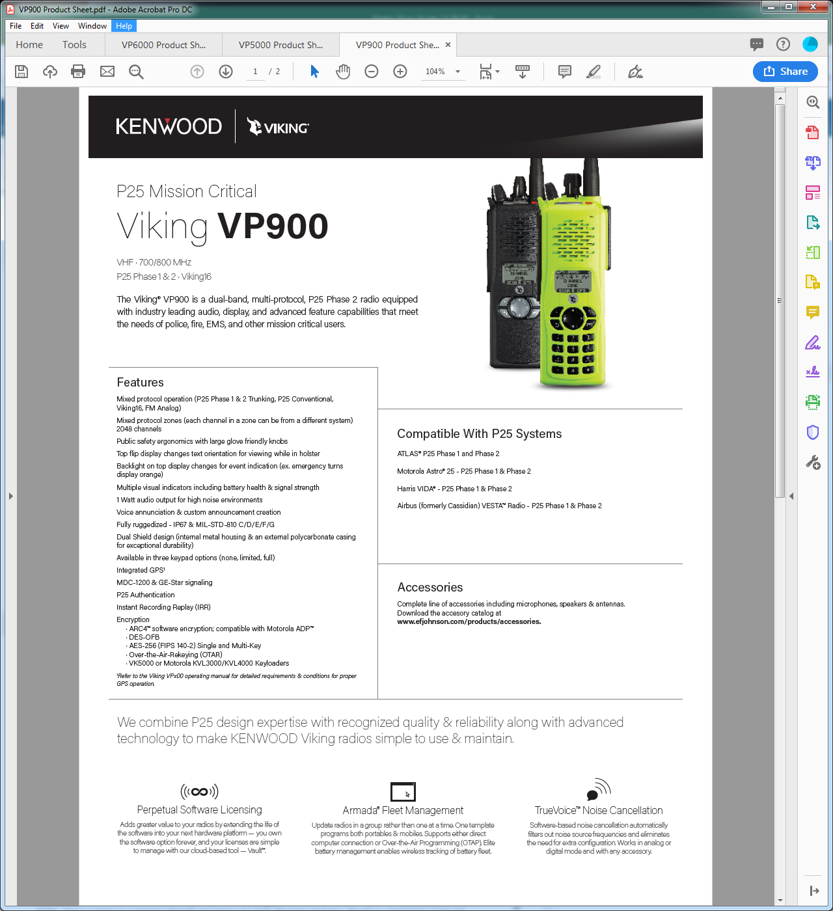

Radio - Base Model |  | List | MS Two-Way Radio EPL 3744 | Discount
2425AAAA53XXX | 700/800 MHz, 762-806 MHz + VHF 2.5W, and 806-870 MHz, 3W, Model 1 (no keypad) | $2,575.00 | $2,060.00 | 20%
2425AADA93XXX | 700/800 MHz, 762-806 MHz + VHF 2.5W, and 806-870 MHz, 3W, Model 1 (no keypad; Hazardous Location - FM) | $2,775.00 | $2,220.00 | 20%
2425AABA53XXX | 700/800 MHz, 762-806 MHz + VHF 2.5W, and 806-870 MHz, 3W, Model 2 (limited keypad) | $2,775.00 | $2,220.00 | 20%
2425AAEA93XXX | 700/800 MHz, 762-806 MHz + VHF 2.5W, and 806-870 MHz, 3W, Model 2 (limited keypad; Hazardous Location - FM) | $2,975.00 | $2,380.00 | 20%
2425AACA53XXX | 700/800 MHz, 762-806 MHz + VHF 2.5W and VHF and 806-870 MHz, 3W, Model 3 (full keypad) | $2,975.00 | $2,380.00 | 20%
2425AAFA93XXX | 700/800 MHz, 762-806 MHz + VHF 2.5W and VHF and 806-870 MHz, 3W, Model 3 (full keypad; Hazardous Location - FM) | $3,175.00 | $2,540.00 | 20%
 | Antenna | List | MS Two-Way Radio EPL 3744 | Discount
 | Multiband 700/800 + VHF Standard | $-
 | Multiband 700/800 + VHF Flexible | $-
 | Battery | List | MS Two-Way Radio EPL 3744 | Discount
 | No Battery (credit) | $(40.00) |  | 20%
 | Viking Li-ion Battery | $- |  | $-
 | Housing | List | MS Two-Way Radio EPL 3744 | Discount
 | Black Housing | $- |  | $-
 | High Visibility Housing | $200.00 | $160.00 | 20%
 | Protocol | List | MS Two-Way Radio EPL 3744 | Discount
1 | Analog FM (included in base radio) | $- |  | $-
2 | Digital/Project 25 CAI AMBE+2 with Free Single-Key DES-OFB (includes protocol option 1) | $200.00 | $160.00 | 20%
 | System Option | List | MS Two-Way Radio EPL 3744 | Discount
1 | Conventional System | $350.00 | $280.00 | 20%
2 | Viking16 | $775.00 | $620.00 | 20%
 | The following selections require Protocol Option 2 (Digital/Project 25 CAI AMBE+2):
4 | Project 25 Conventional System | $350.00 | $280.00 | 20%
5 | Project 25 Phase 1 Trunking Only (includes system option 4) | $475.00 | $380.00 | 20%
6 | Project 25 Phase 2 TDMA (includes system option 4 & 5) | $875.00 | $700.00 | 20%
7 | Project 25 Phase 1 Trunking and Viking16 Trunking (includes system options 2 & 4) | $850.00 | $680.00 | 20%
8 | Project 25 Phase 2 TDMA and Viking16 Trunking (includes system options 2, 4 & 5) | $1,250.00 | $1,000.00 | 20%
 | Optional Features | List | MS Two-Way Radio EPL 3744 | Discount
 | Channels/Talkgroups
 | 2048 Channels/Talkgroups (standard) | $-
 | Encryption (requires Protocol Option 2 - Digital/Project 25 CAI AMBE+2)
 | Single-Key DES-OFB (included with Protocol Option 2) | $-
 | Single-Key AES | $150.00 | $120.00 | 20%
 | DES-OFB (multi-key) | $550.00 | $440.00 | 20%
 | AES (multi-key) | $475.00 | $380.00 | 20%
 | DES-OFB + AES (Multi-Key) | $750.00 | $600.00 | 20%
 | ARC4 (ADP compatible) | $-
 | Programming & Data
 | MDC1200/GE-Star Signaling | $50.00 | $40.00 | 20%
 | FIRESafe™ First Responder | $250.00 | $200.00 | 20%
 | FIRESafe™ First Command (includes FIRESafe™ First Responder) | $350.00 | $280.00 | 20%
 | GPS | $100.00 | $80.00 | 20%
 | Third Party Interface | $150.00 | $120.00 | 20%
 | Keypad Programming (U.S. Federal Government Only) | $300.00 | $240.00 | 20%
 | The following selections require Protocol Option 2 (Digital/Project 25 CAI AMBE+2):
 | Project 25 Data Conventional | $140.00 | $112.00 | 20%
 | Project 25 OTAR Conventional & Trunking | $750.00 | $600.00 | 20%
 | P25 Paging Decode | $100.00 | $80.00 | 20%
 | OTAP (Over-the-Air Programming) | $200.00 | $160.00 | 20%
 | The following selections require a System Option 5-8 (options with Phase 1 or Phase 2):
 | Project 25 Authentication | $100.00 | $80.00 | 20%
 | Project 25 Data Trunking (includes Project 25 Data Conventional) | $200.00 | $160.00 | 20%
 | EVRS | $100.00 | $80.00 | 20%

